Sheet1
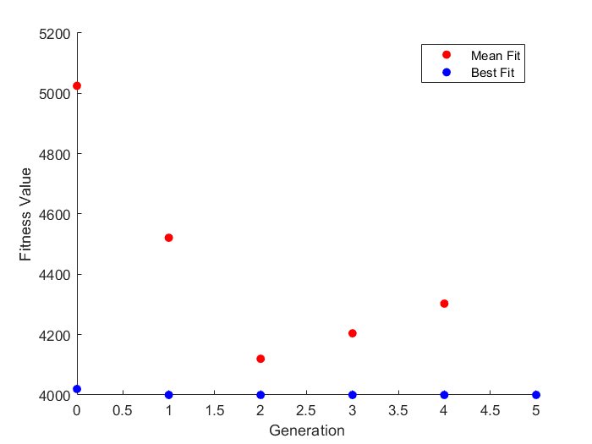
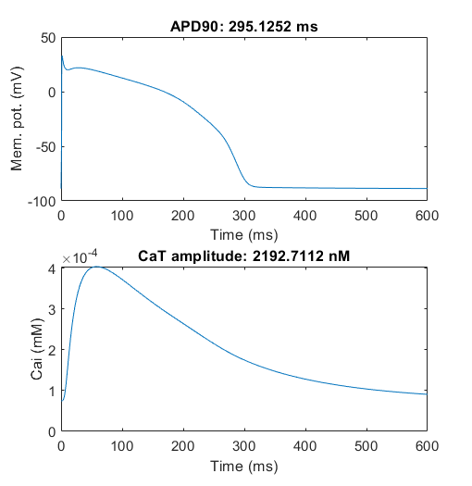
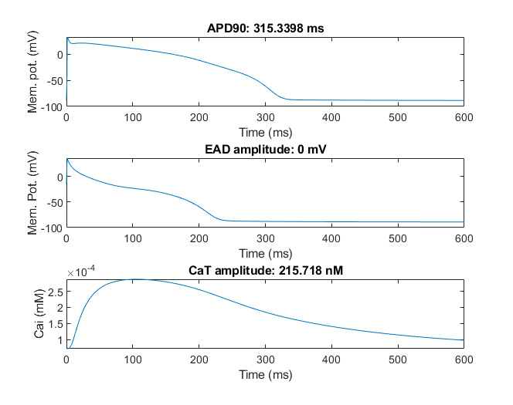
error = E_apd10 + E_apd50 + E_apd90 + E_CaTamp + E_CaT90 + E_CaT50 + E_CaT10 + E_maxV + E_EAD
Trial 1 |  |  |  |  |  | Trial 2
ICaL | Ikr | Iks | INaL | Jup |  | ICaL | Ikr | Iks | INaL | Jup
-0.0028716589735 | -0.028721636115 | 0.56169132971 | 0.29738072811 | -0.040457388978 |  | 0.36001766132 | -0.65935028639 | -0.054959973282 | -0.6930235128 | -0.48241648703
0.9971324603 | 0.97168690937 | 1.7536359701 | 1.3463277867 | 0.96035008514 |  | 1.4333547293 | 0.51718724895 | 0.94652303341 | 0.5000618377 | 0.61728991497

-0.0028716589735 | -0.37549174367 | 0.56169132971 | 0.29738072811 | -0.040457388978 |  | 0.36001766132 | -0.65935028639 | -0.054959973282 | -0.6930235128 | -0.48241648703
-0.0028716589735 | -0.028721636115 | 0.56169132971 | 0.29738072811 | 0.53247300453 |  | 0.36001766132 | -0.65935028639 | -0.054959973282 | -0.6930235128 | -0.48241648703
0.6473655156 | -0.14519365209 | -0.62797238948 | -0.030135737936 | 0.53247300453 |  | -0.197478933 | 0.38324230176 | -0.054959973282 | -0.18768562554 | 0.55402638763
-0.0028716589735 | -0.028721636115 | -0.62797238948 | -0.030135737936 | 0.53247300453 |  | -0.197478933 | 0.38324230176 | -0.054959973282 | -0.18768562554 | 0.55402638763
0.6473655156 | -0.028721636115 | -0.62797238948 | -0.030135737936 | 0.53247300453 |  | -0.197478933 | 0.38324230176 | -0.054959973282 | -0.18768562554 | 0.55402638763
-0.0028716589735 | -0.37549174367 | 0.56169132971 | 0.29738072811 | 0.53247300453 |  | -0.61398822256 | 0.60455311047 | -0.054959973282 | -0.6930235128 | 0.7
-0.0028716589735 | -0.028721636115 | -0.62797238948 | -0.030135737936 | 0.53247300453 |  | -0.197478933 | 0.38324230176 | -0.054959973282 | -0.18768562554 | 0.55402638763
-0.0028716589735 | -0.14519365209 | -0.62797238948 | -0.030135737936 | -0.040457388978 |  | -0.61398822256 | -0.65935028639 | -0.054959973282 | -0.7 | 0.55402638763
-0.0028716589735 | -0.028721636115 | 0.56169132971 | 0.29738072811 | -0.040457388978 |  | -0.197478933 | -0.65935028639 | -0.054959973282 | -0.6930235128 | 0.55402638763
0.6473655156 | 0.033778363885 | -0.50297238948 | 0.016739262064 | 0.53247300453 |  | 0.052521066999 | 0.38324230176 | -0.054959973282 | -0.18768562554 | 0.30402638763
Errors
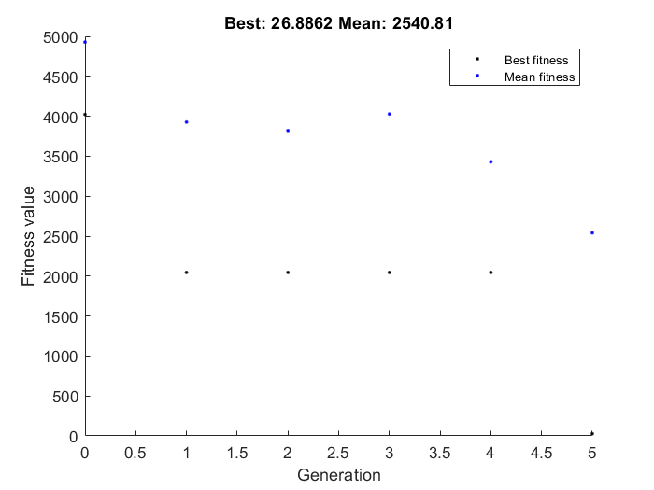
4054.6587213 | 4022.3713231 | 2045.7912716 | 2045.7912716 | 2045.7912716 | 2045.7912716 | 4041.3561047 | 4019.7451146 | 4000.0648759 | 4000 | 4000 | 4000
4042.260499 | 4042.260499 | 3044.4008947 | 3044.4008947 | 3044.4008947 | 3031.0689397 | 7032.2257189 | 4022.7509258 | 4019.7451146 | 4000.0648759 | 4000.0648759 | 4000
5000.0215216 | 4054.6587213 | 4013.1037115 | 4013.1037115 | 3054.855067 | 3044.4008947 | 4022.7509258 | 4041.3561047 | 4022.7509258 | 4000.0993367 | 4000.0648759 | 4000.0648759
4022.3713231 | 5000 | 4022.3713231 | 4013.1037115 | 4013.1037115 | 3054.855067 | 5045.2520878 | 4051.6576154 | 4022.7509258 | 4019.7451146 | 4000.064907 | 4000.0648759
6054.4490281 | 5000.0215216 | 4022.3713231 | 4014.4576679 | 4013.1037115 | 3054.855067 | 4019.7451146 | 5000 | 4041.3561047 | 4022.7509258 | 4000.0993367 | 4000.0648759
5028.0782478 | 3044.4008947 | 4017.944622 | 4014.4576679 | 3031.0689397 | 5000.7092496 | 6032.5915297 | 6000.9459283 | 5000 | 4000.0993975 | 4000.0648759 | 4000.1005768
5033.0491804 | 4022.3713231 | 4013.1037115 | 6000.0553478 | 4014.4576679 | 3054.855067 | 4051.6576154 | 4051.6576154 | 4041.3561047 | 4000.0648759 | 4000 | 4000.0648759
6045.1647645 | 4013.1037115 | 4014.4576679 | 6054.4490281 | 4013.1037115 | 58.347366661 | 5000 | 6000 | 4000 | 4000.064907 | 4000.0648759 | 4000.9875969
5000.0564015 | 2045.7912716 | 5000 | 3054.855067 | 3054.855067 | 26.886183156 | 5000.4932435 | 4022.7509258 | 4051.6576154 | 4000.8457746 | 4000.0648759 | 4000.9456967
5000 | 4026.3909512 | 4022.3713231 | 4020.5126951 | 4015.2868021 | 3036.2913192 | 6000.937807 | 4000.0648759 | 4000.0993367 | 6000.0604552 | 7028.2508562 | 4000.0260146

